Sheet1
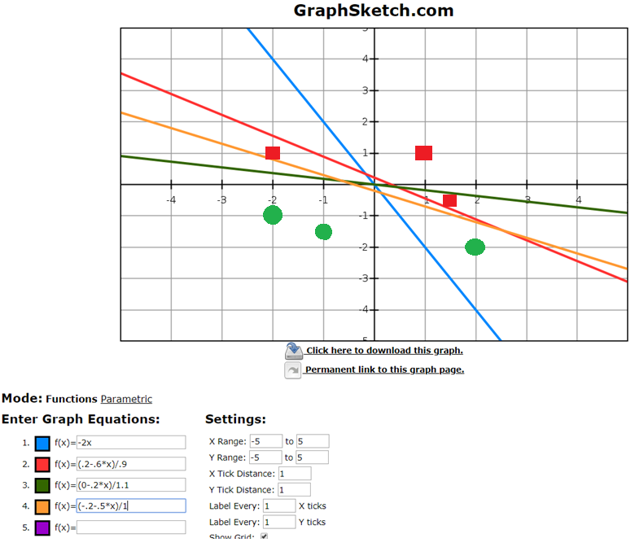
Training set |  |  | x1 | x2 | w0 | w1 | w2 | eta | w0 + w1X1 + w2X2 | Output |  | Should be |  | wi = wi + eta * (d(n) - o(n)) * xi
In |  | Out | 0 | 0 | 0 | 1 | 0.5 | 0.2 | 0.00 | 0 |  |  |  |  |  | Blue line on graph | X2 = -2X1
1 | 1 | 1 | 1 | 1 | 0 | 1 | 0.5 | 0.2 | 1.50 | 1 | Correct | 1
-2 | 1 | 1 | 2 | -2 | 0 | 1 | 0.5 | 0.2 | 1.00 | 1 | Wrong | 0 | New weights | w0 | -0.2
1.5 | -0.5 | 1 |  |  |  |  |  |  |  |  |  |  |  | w1 | 0.6
2 | -2 | 0 |  |  |  |  |  |  |  |  |  |  |  | w2 | 0.9
-1 | -1.5 | 0 | 2 | -2 | -0.2 | 0.6 | 0.9 | 0.2 | -0.80 | 0 | Correct | 0 |  |  |  | Red line on graph
-2 | -1 | 0 | -1 | -1.5 | -0.2 | 0.6 | 0.9 | 0.2 | -2.15 | 0 | Correct | 0
 |  |  | -2 | -1 | -0.2 | 0.6 | 0.9 | 0.2 | -2.30 | 0 | Correct | 0
 |  |  | -2 | 1 | -0.2 | 0.6 | 0.9 | 0.2 | -0.50 | 0 | Wrong | 1 | New weights | w0 | 0.0
 |  |  |  |  |  |  |  |  |  |  |  |  |  | w1 | 0.2
 |  |  |  |  |  |  |  |  |  |  |  |  |  | w2 | 1.1
 |  |  | -2 | 1 | 0.0 | 0.2 | 1.1 | 0.2 | 0.70 | 1 | Correct | 1 |  |  |  | Green line on graph
 |  |  | 1.5 | -0.5 | 0.0 | 0.2 | 1.1 | 0.2 | -0.25 | 0 | Wrong | 1 | New weights | w0 | 0.2
 |  |  |  |  |  |  |  |  |  |  |  |  |  | w1 | 0.5
 |  |  |  |  |  |  |  |  |  |  |  |  |  | w2 | 1.0
 |  |  | 1.5 | -0.5 | 0.2 | 0.5 | 1.0 | 0.2 | 0.45 | 1 | Correct | 1 |  |  |  | Orange line on graph

